records
Sample Measurement Record
Mano Engineering LLC |  |  |  |  |  |  |  |  |  |  |  |  | Part No. 17058PP
No. | A | B | C | D | E | F | G | H | I | J | K | L
1 | 0.629 | 0.6815 | 1.032 | 2.392 | 2.6465 | 1.375 | 2.994 | 2.0045 | 0.246 | 0.054 | 0.05 | 0.053
2 | 0.63 | 0.6855 | 1.0295 | 2.388 | 2.63 | 1.378 | 3.005 | 2.005 | 0.246 | 0.0545 | 0.0445 | 0.053
3 | 0.6225 | 0.695 | 1.026 | 2.382 | 2.622 | 1.377 | 2.9985 | 2.005 | 0.247 | 0.051 | 0.057 | 0.046
4 | 0.626 | 0.676 | 1.028 | 2.37 | 2.6275 | 1.378 | 2.999 | 2.0035 | 0.248 | 0.054 | 0.049 | 0.057
5 | 0.625 | 0.682 | 1.0255 | 2.3745 | 2.6455 | 1.3715 | 2.999 | 2.004 | 0.247 | 0.057 | 0.055 | 0.046
E
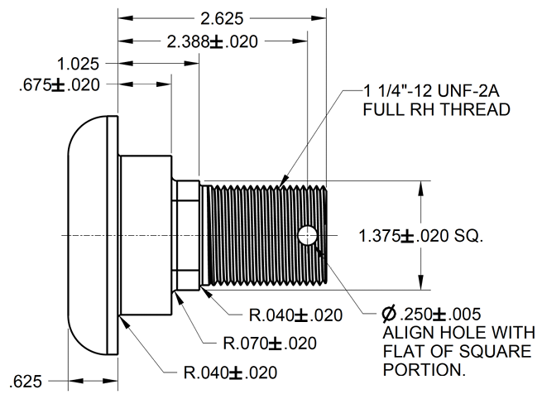
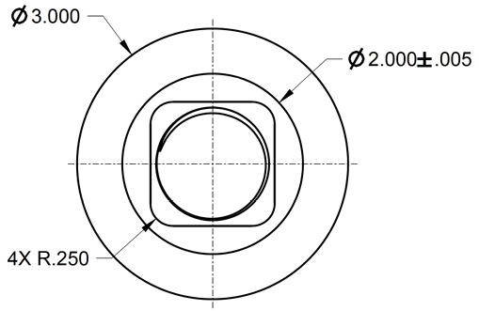
G
C
D
H

B

F
I
L
K
A

J

